Usability Strenghts
Description | Image | Location
Minimalistic design (Settings window) | 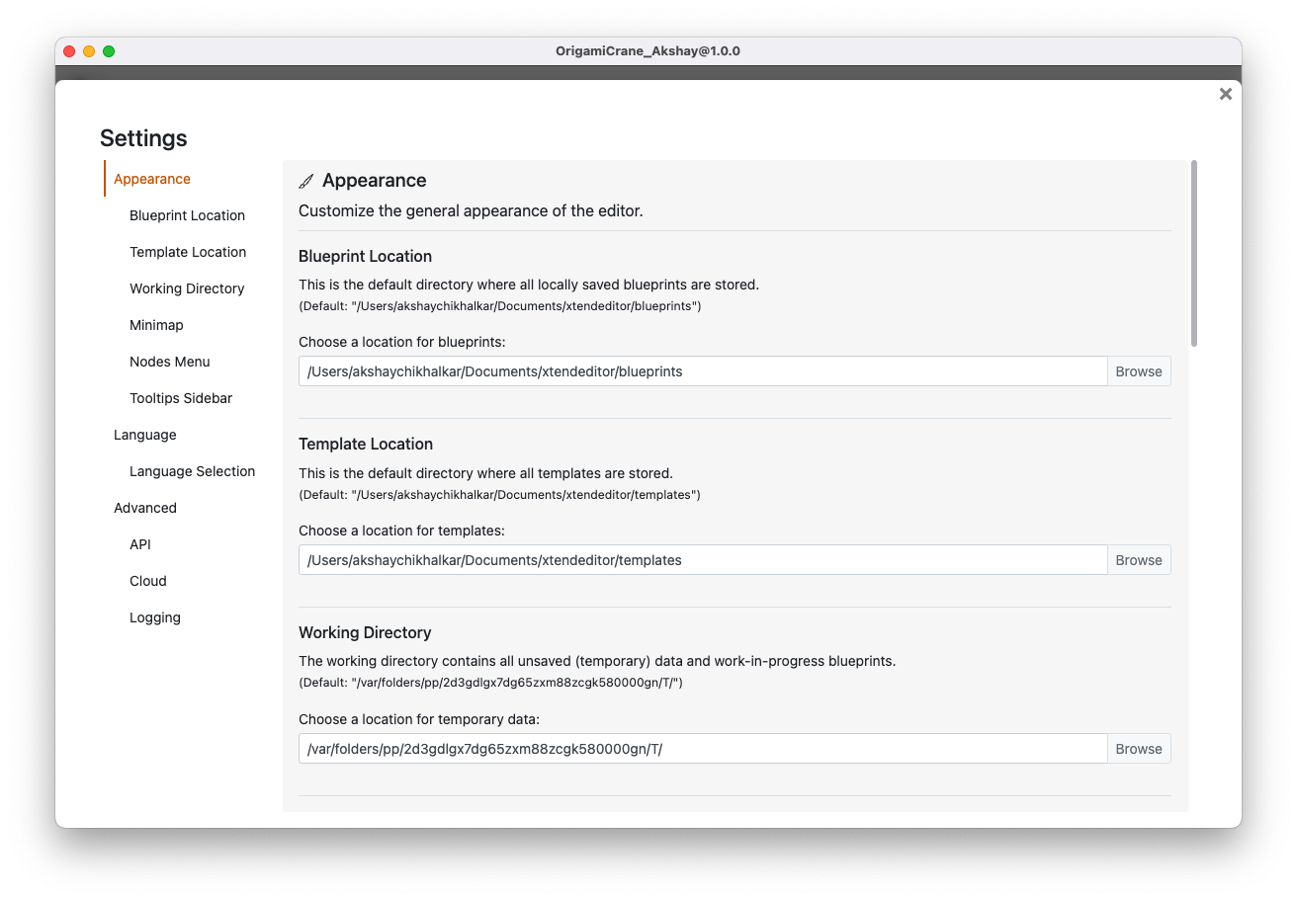 | Settings window
Like the option to add custom grid | 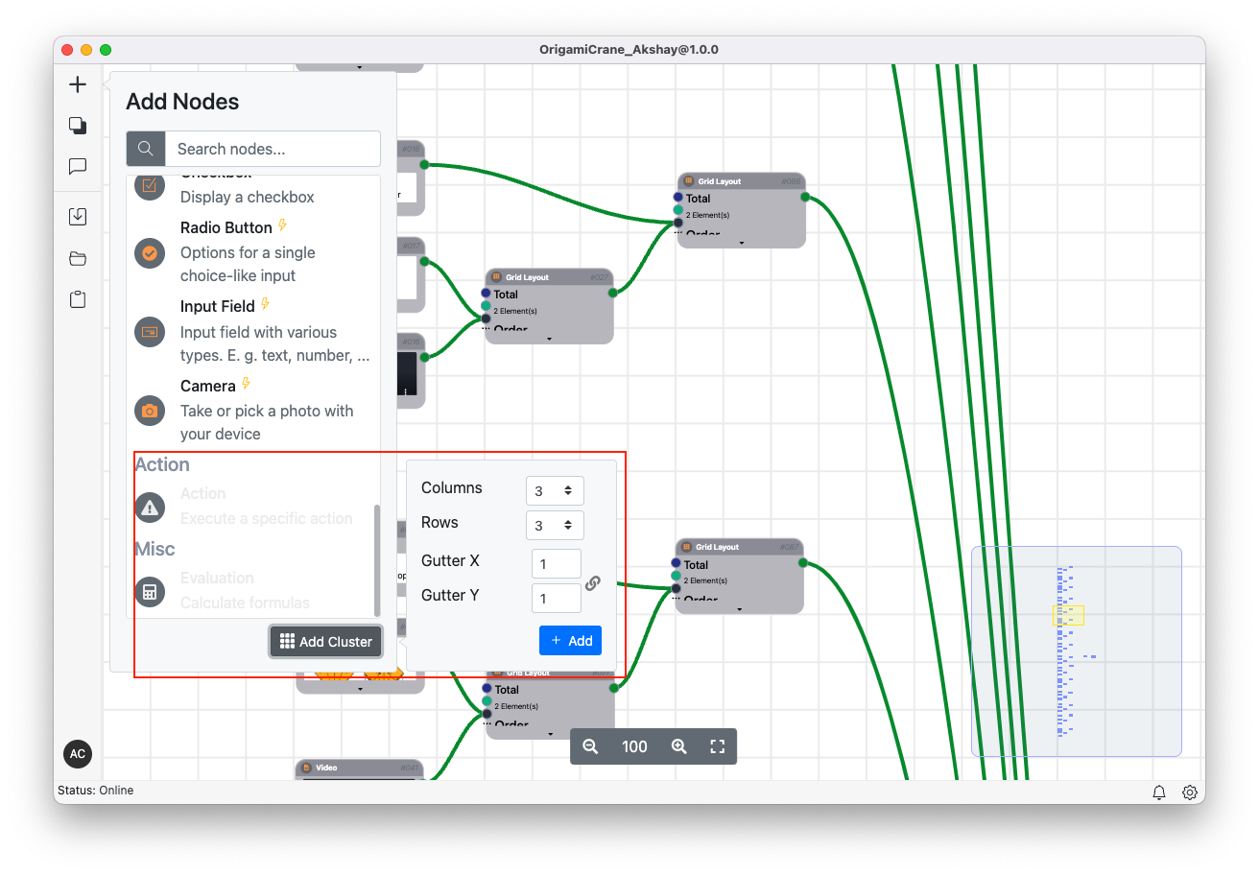 | Add node
Like the paste and match option | 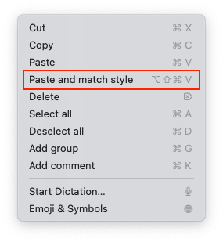 | Edit menu

Usability Problems
Description | Image | Location | Violation | Severity Rating | Recommendation | Example for best practices
Missing UNDO feature (Ctrl + z) | 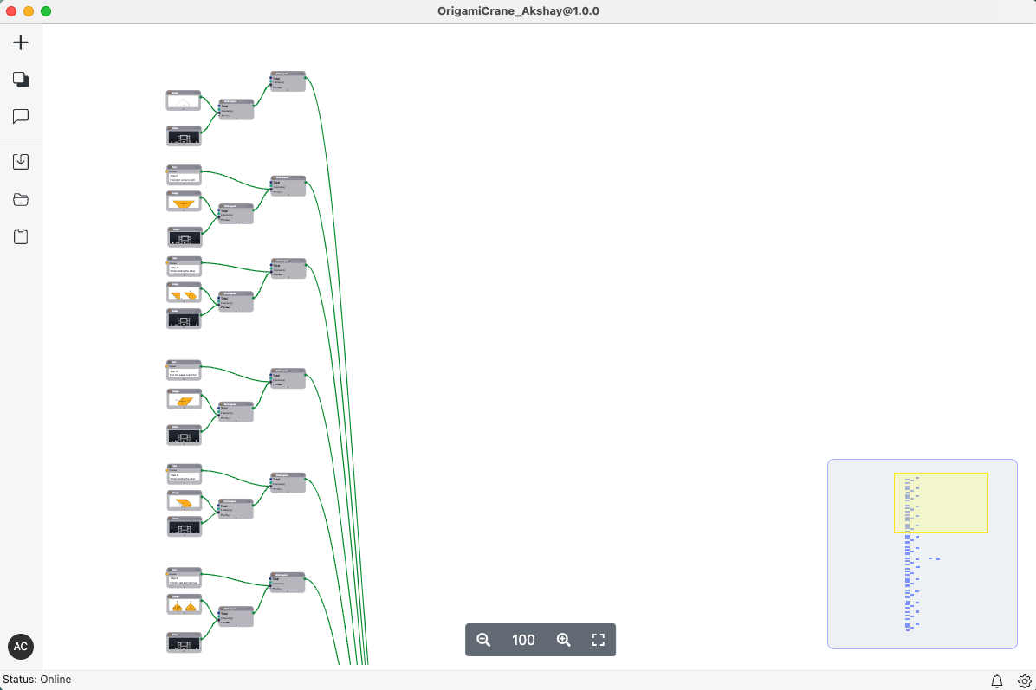 | Editor | Heuristic 3: User Control & Freedom | High | Like to have UNDO-REDO options | Photoshop
Horizontal scroll always zoom's out |  | Editor | Heuristic 7: Flexibility and Efficiency of Use | Low | Like to have horizontal scroll | MS Excel
Allowed to select multiple nodes but unable to perform action on them. Ex. Cannot move multiple nodes at once | 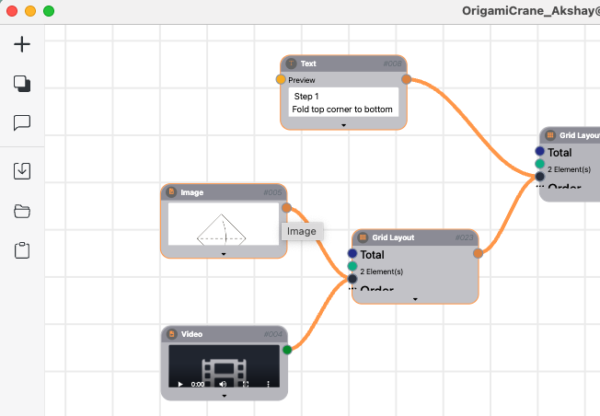 | Editor | Heuristic 7: Flexibility and Efficiency of Use | Medium | Would like to have option to perform actions on multiple nodes or controls | Photoshop
Horizontal and Vertical Scroll Bar | 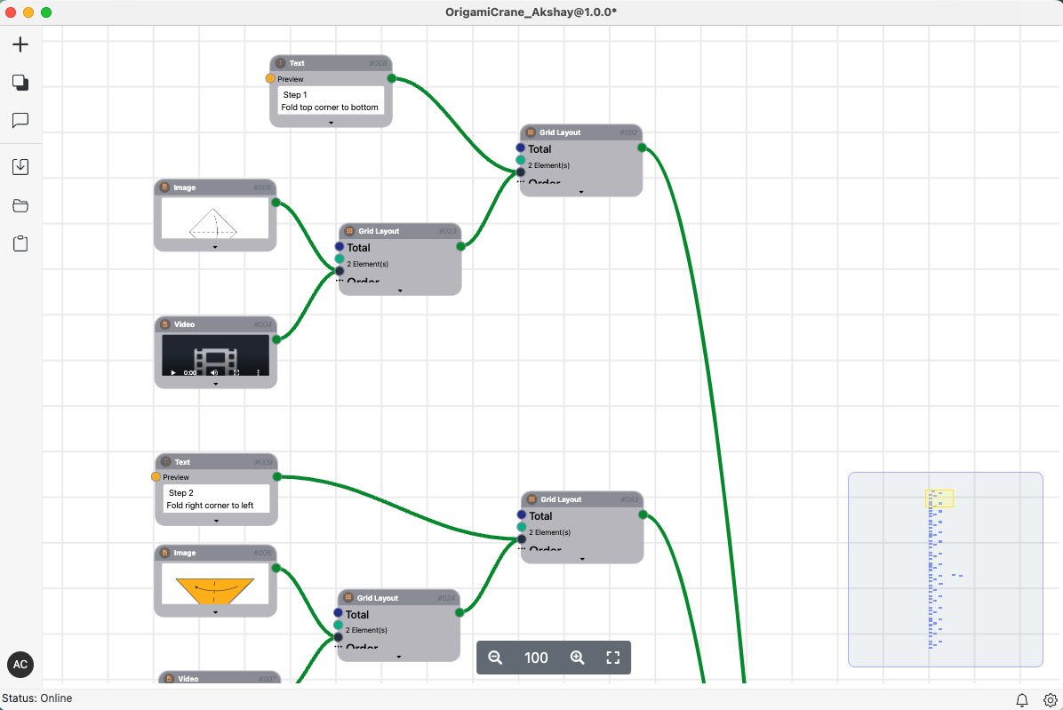 | Editor | Heuristic 7: Flexibility and Efficiency of Use | Low | Like to have auto hide scrollbars | MS Excel
Icons without label |  | Editor | Heuristic 4: Consistency and Standards | High | Would like to see icons with label or tool tip | MS Excel
Different nomenclature in documents and current version | 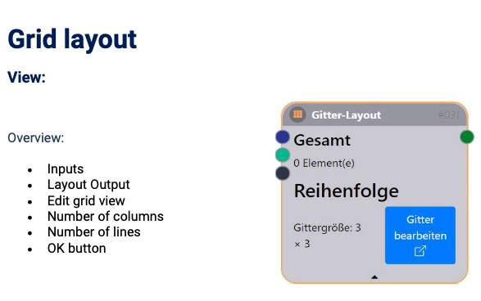 | Editor | Heuristic 10: Help & Documentation | Low | Documents should be consistent
Control/Node stick to cursor even after releasing button | 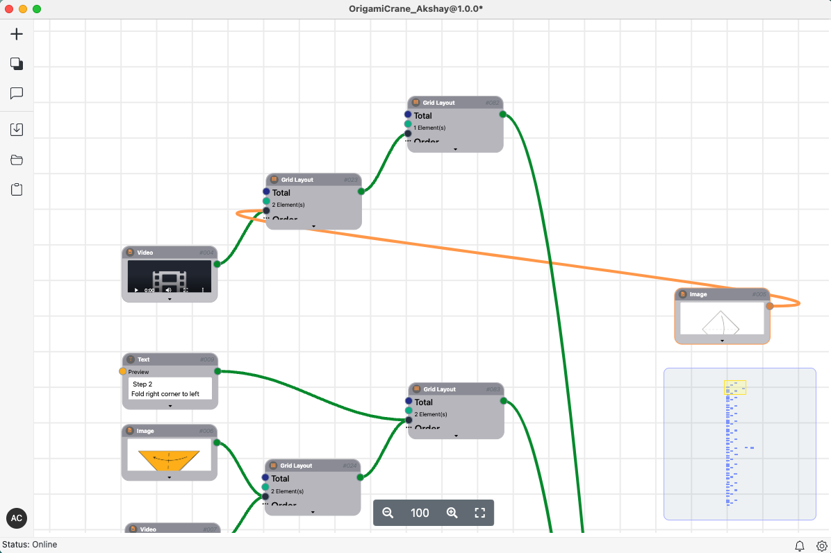 | Editor | Heuristic 5: Error Prevention | Medium | Like to have proper functioning | Photoshop
Missing shortcut (Alt + mouse drag) to create a copy of node | 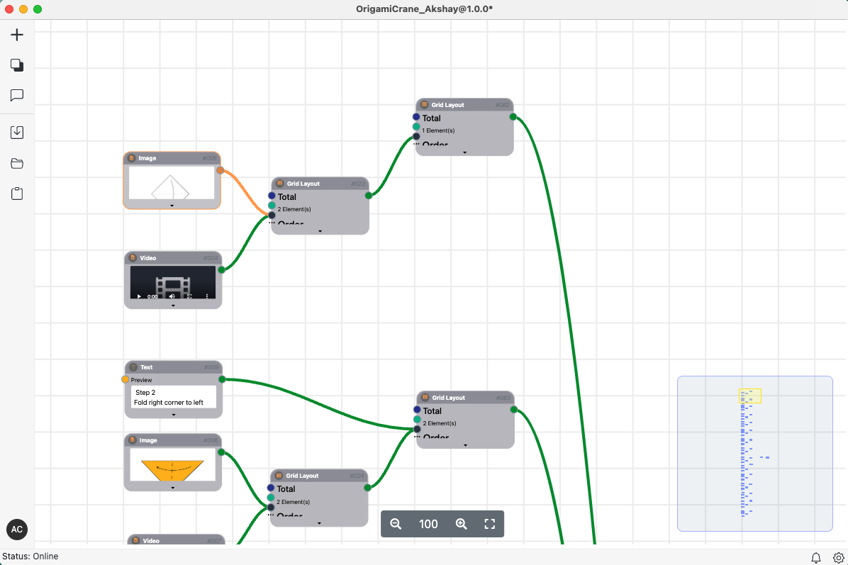 | Editor | Heuristic 7: Flexibility and Efficiency of Use | Medium | Like to have all the design shortcuts | Photoshop
Difficult to locate settings button | 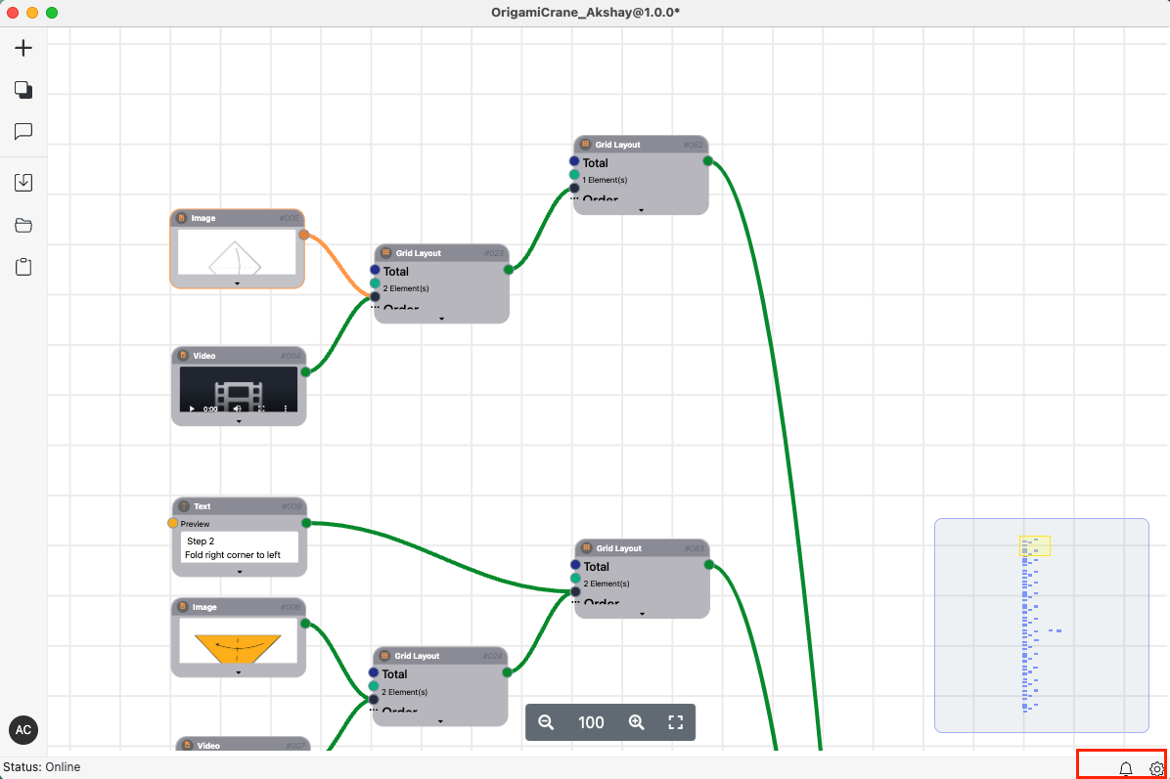 | Editor | Heuristic 7: Flexibility and Efficiency of Use | Low | Like to see settings button at better place
Missing guide to share solution to cloud |  | Editor | Heuristic 2: Match Between the System and the Real World | Low | Would like to see automated sharing with cloud, as we are already signed in to the user's account. It doesn't make sense to share it to the cloud and assign workfolw to yourself.
Editor should show if there are any errors before saving and sharing to cloud. Insted, it allow's user to save and upload. | 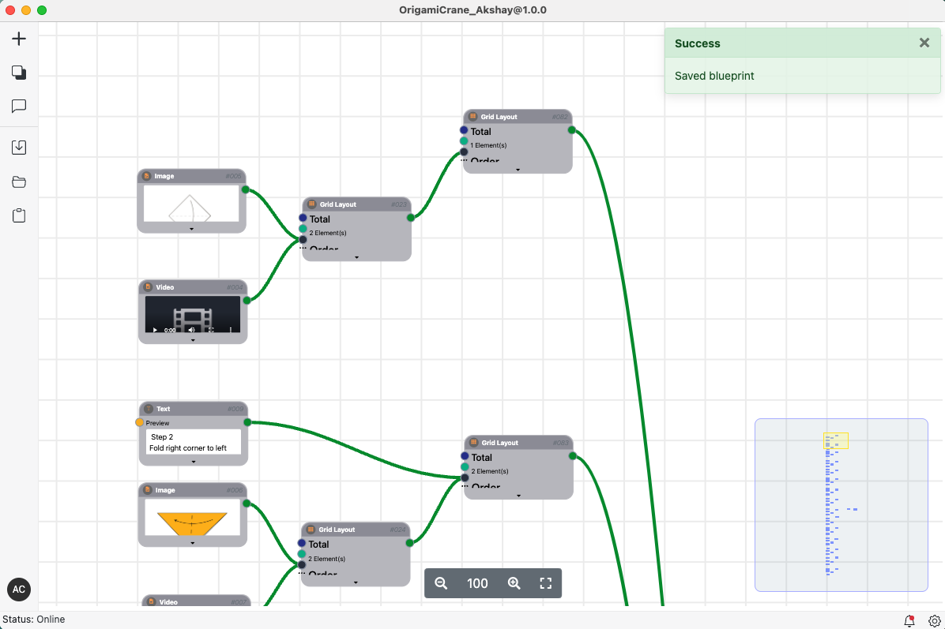 | Editor | Heuristic 5: Error Prevention | Low | Like to have proper error message and option to resolve.
Appearance settings not present | 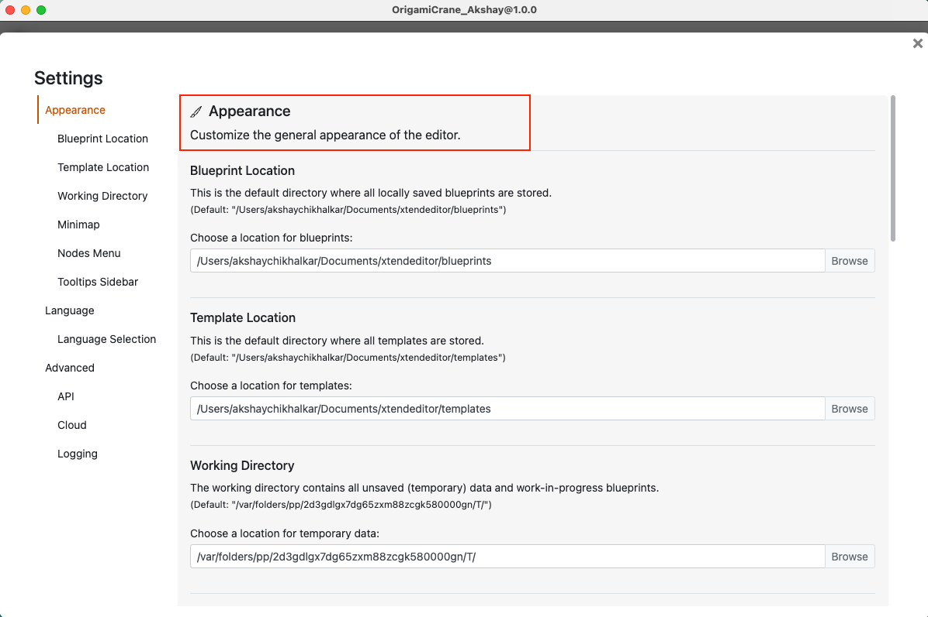 | Editor -> Settings | Heuristic 4: Consistency and Standards Heuristic 2: Match Between the System and the Real World | Medium | Like to have appearance option. Ex. Light/Dark mode
The performance gets extremely slow and laggy after addition of more nodes. The bigger the solution the more laggy it is. |  | Editor | Heuristic 7: Flexibility and Efficiency of Use | Medium | Like to have snappy performance.

